Everlast Stock
 |  |  |  |  |  |  | 68031
Photo | Product Code | Material | Product Name | Collection Name | Size Set | Assortment | Approx Stock | Price | WHS Price (VAT Not Inc) | Retail Price (Inc VAT)
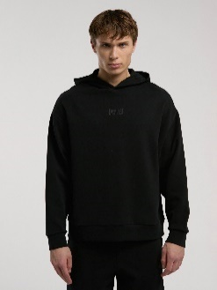 | TM0003 167 | %81Cotton %13 Polyester, %6 Elastan | EVER RELAXED COMFORT HOODED BLACK MEN'S SWEATSHIRT | EVER RELAXED | S-2XL | mix / not homogen | 390 | € 15.42 | € 28.00 | € 71.00
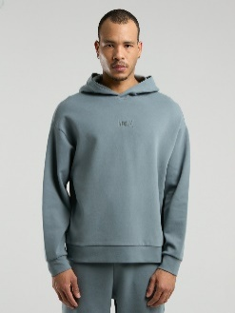 | TM0003 341 | %81Cotton %13 Polyester, %6 Elastan | EVER RELAXED COMFORT HOODED GREY MEN'S SWEATSHIRT | EVER RELAXED | S-2XL | mix / not homogen | 385 | € 15.42 | € 28.00 | € 71.00
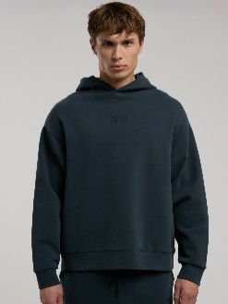 | TM0003 348 | %81Cotton %13 Polyester, %6 Elastan | EVER RELAXED COMFORT HOODED ANTHRACITE MEN'S SWEATSHIRT | EVER RELAXED | S-2XL | mix / not homogen | 491 | € 15.42 | € 28.00 | € 71.00
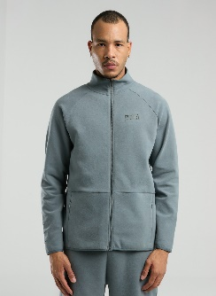 | TM0004 341 | %81Cotton %13 Polyester, %6 Elastan | EVER RELAXED REGULAR GRAY HIGH COLLAR MEN'S FULL ZIP SWEATSHIRT | EVER RELAXED | S-2XL | mix / not homogen | 370 | € 18.51 | € 33.00 | € 82.00
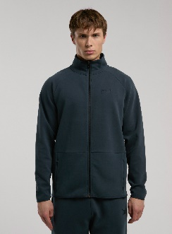 | TM0004 348 | %81Cotton %13 Polyester, %6 Elastan | EVER RELAXED REGULAR ANTHRACITE HIGH NECK MEN'S FULL ZIP SWEATSHIRT | EVER RELAXED | S-2XL | mix / not homogen | 327 | € 18.51 | € 33.00 | € 82.00
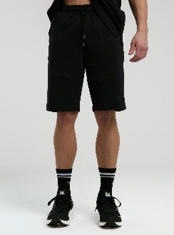 | TM0005 167 | %81Cotton %13 Polyester, %6 Elastan | EVER RELAXED REGULAR BLACK MEN'S Short | EVER RELAXED | S-2XL | mix / not homogen | 250 | € 12.33 | € 17.00 | € 41.00
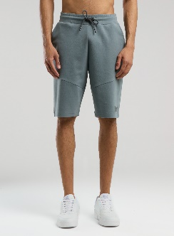 | TM0005 341 | %81Cotton %13 Polyester, %6 Elastan | EVER RELAXED REGULAR GRAY MEN'S Shorts | EVER RELAXED | S-2XL | mix / not homogen | 421 | € 12.33 | € 17.00 | € 41.00
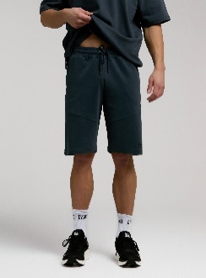 | TM0005 348 | %81Cotton %13 Polyester, %6 Elastan | EVER RELAXED REGULAR ANTHRACITE MEN'S Short | EVER RELAXED | S-2XL | mix / not homogen | 121 | € 12.33 | € 17.00 | € 41.00
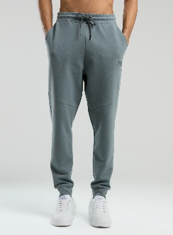 | TM0006 341 | %81Cotton %13 Polyester, %6 Elastan | EVER RELAXED REGULAR GREY MEN'S TRACK PANTS | EVER RELAXED | S-2XL | mix / not homogen | 200 | € 13.36 | € 22.00 | € 56.00
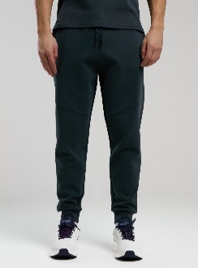 | TM0006 348 | %81Cotton %13 Polyester, %6 Elastan | EVER RELAXED REGULAR ANTHRACITE MEN'S TRACK PANTS | EVER RELAXED | S-2XL | mix / not homogen | 150 | € 13.36 | € 22.00 | € 56.00
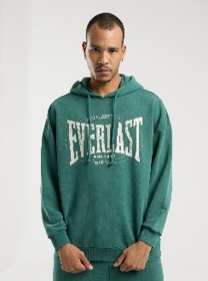 | TM0010 153 | %90 Cotton % 10 Polyester | EVERLAST AUTHENTIC BOXING OVERSIZE DARK GREEN MEN'S HoodieSHIRT | EVERLAST AUTHENTIC BOXING | S-2XL | mix / not homogen | 250 | € 16.45 | € 29.00 | € 73.00
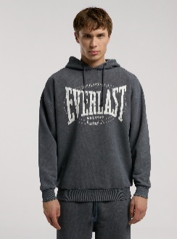 | TM0010 333 | %90 Cotton % 10 Polyester | EVERLAST AUTHENTIC BOXING OVERSIZE ANTHRACITE MEN'S HoodieSHIRT | EVERLAST AUTHENTIC BOXING | S-2XL | mix / not homogen | 445 | € 16.45 | € 29.00 | € 73.00
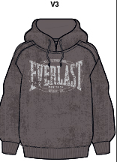 | TM0010 411 | %90 Cotton % 10 Polyester | Everlast Authentic Boxing Oversize Mink Men's Hooded Sweatshirt | EVERLAST AUTHENTIC BOXING | S-2XL | mix / not homogen | 125 | € 16.45 | € 29.00 | € 73.00
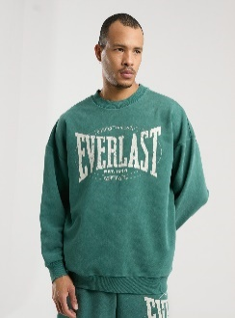 | TM0011 153 | %90 Cotton % 10 Polyester | EVERLAST AUTHENTIC BOXING OVERSIZE DARK GREEN MEN'S SWEATSHIRT | EVERLAST AUTHENTIC BOXING | S-2XL | mix / not homogen | 216 | € 14.39 | € 25.00 | € 62.00
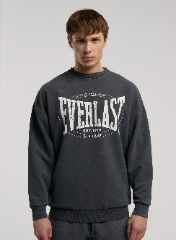 | TM0011 333 | %90 Cotton % 10 Polyester | EVERLAST AUTHENTIC BOXING OVERSIZE ANTHRACITE MEN'S SWEATSHIRT | EVERLAST AUTHENTIC BOXING | S-2XL | mix / not homogen | 390 | € 14.39 | € 25.00 | € 62.00
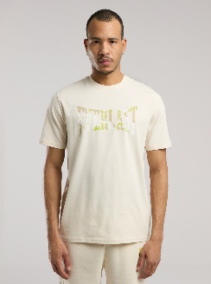 | TM0014 31 | %95 Cotton %5 Spandex | EVERLAST BOXING CLUB LOGO BEIGE MEN'S Tshirt | EVERLAST BOXING CLUB | S-2XL | mix / not homogen | 140 | € 6.15 | € 10.00 | € 24.00
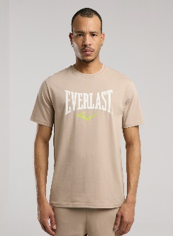 | TM0015 113 | %95 Cotton %5 Spandex | EVERLAST BOXING CLUB SAND MEN'S T-Shirt | EVERLAST BOXING CLUB | S-2XL | mix / not homogen | 140 | € 6.15 | € 10.00 | € 24.00
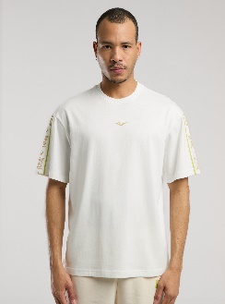 | TM0016 112 | %100 Cotton | EVERLAST BOXING CLUB OVERSIZE WHITE MEN'S T-shirt | EVERLAST BOXING CLUB | S-2XL | mix / not homogen | 100 | € 8.21 | € 11.00 | € 28.00
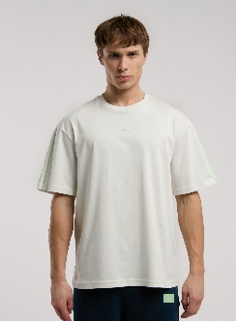 | TM0016 274 | %100 Cotton | EVERLAST BOXING CLUB OVERSIZE LIGHT GRAY MEN'S T-shirt | EVERLAST BOXING CLUB | S-2XL | mix / not homogen | 110 | € 8.21 | € 11.00 | € 28.00
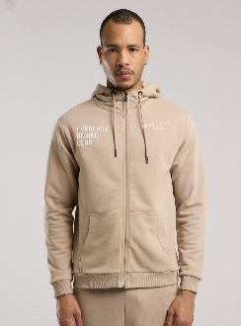 | TM0017 113 | %90 Cotton % 10 Polyester | EVERLAST BOXING CLUB REGULAR KUM MEN'S FULL ZIP HoodieSHIRT | EVERLAST BOXING CLUB | S-2XL | mix / not homogen | 200 | € 16.45 | € 25.00 | € 62.00
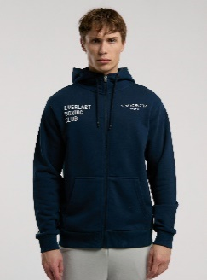 | TM0017 336 | %90 Cotton % 10 Polyester | EVERLAST BOXING CLUB REGULAR NAVY MEN'S FULL ZIP HoodieSHIRT | EVERLAST BOXING CLUB | S-2XL | mix / not homogen | 70 | € 16.45 | € 25.00 | € 62.00
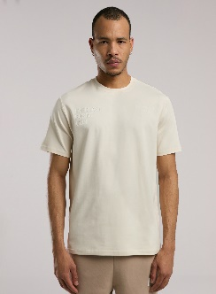 | TM0018 31 | %95 Cotton %5 Spandex | EVERLAST BOXING CLUB BEIGE MEN'S T-Shirt | EVERLAST BOXING CLUB | S-2XL | mix / not homogen | 180 | € 6.15 | € 9.00 | € 21.00
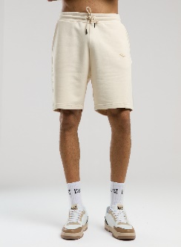 | TM0019 31 | %90 Cotton % 10 Polyester | EVERLAST BOXING CLUB REGULAR BEIGE MEN'S Short | EVERLAST BOXING CLUB | S-2XL | mix / not homogen | 160 | € 10.27 | € 14.00 | € 34.00
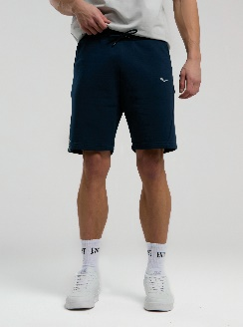 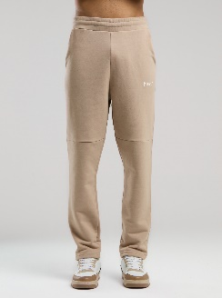 | TM0020 113 | %90 Cotton % 10 Polyester | EVERLAST BOXING CLUB SAND MEN'S TRACK PANTS | EVERLAST BOXING CLUB | S-2XL | mix / not homogen | 190 | € 11.30 | € 19.00 | € 47.00
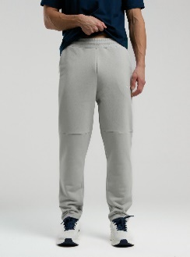 | TM0020 365 | %90 Cotton % 10 Polyester | EVERLAST BOXING CLUB LIGHT GRAY MEN'S TRACK PANTS | EVERLAST BOXING CLUB | S-2XL | mix / not homogen | 120 | € 11.30 | € 19.00 | € 47.00
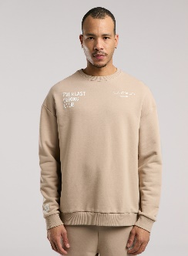 | TM0021 113 | %90 Cotton % 10 Polyester | EVERLAST BOXING CLUB KUM MEN'S SWEATSHIRT | EVERLAST BOXING CLUB | S-2XL | mix / not homogen | 210 | € 11.30 | € 17.00 | € 43.00
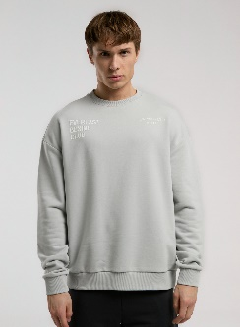 | TM0021 365 | %90 Cotton % 10 Polyester | EVERLAST BOXING CLUB LIGHT GRAY MEN'S SWEATSHIRT | EVERLAST BOXING CLUB | S-2XL | mix / not homogen | 165 | € 11.30 | € 17.00 | € 43.00
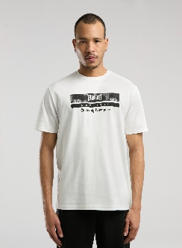 | TM0022 112 | %100 Cotton | EVERLAST CHAMPIONS COLLECTION WHITE MEN'S T-shirt | EVERLAST CHAMPIONS COLLECTION | S-2XL | mix / not homogen | 310 | € 8.21 | € 11.00 | € 28.00
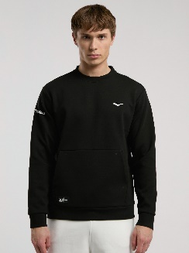 | TM0023 167 | %72 Cotton %28 Polyester | EVERLAST CHAMPIONS COLLECTION BLACK MEN'S SWEATSHIRT | EVERLAST CHAMPIONS COLLECTION | S-2XL | mix / not homogen | 550 | € 16.45 | € 25.00 | € 62.00
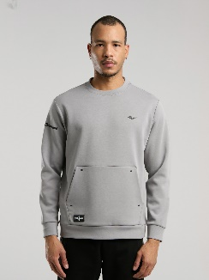 | TM0023 363 | %72 Cotton %28 Polyester | EVERLAST CHAMPIONS COLLECTION GRAY MEN'S SWEATSHIRT | EVERLAST CHAMPIONS COLLECTION | S-2XL | mix / not homogen | 500 | € 16.45 | € 25.00 | € 62.00
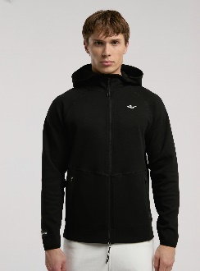 | TM0024 167 | %72 Cotton %28 Polyester | EVERLAST CHAMPIONS COLLECTION BLACK MEN'S HIGH NECK FULL ZIP HoodieSHIRT | EVERLAST CHAMPIONS COLLECTION | S-2XL | mix / not homogen | 450 | € 22.63 | € 34.00 | € 86.00
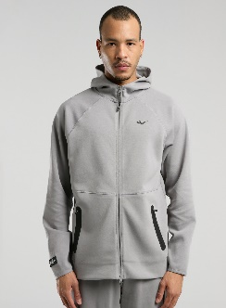 | TM0024 363 | %72 Cotton %28 Polyester | EVERLAST CHAMPIONS COLLECTION GRAY MEN'S HIGH NECK FULL ZIP HoodieSHIRT | EVERLAST CHAMPIONS COLLECTION | S-2XL | mix / not homogen | 480 | € 22.63 | € 34.00 | € 86.00
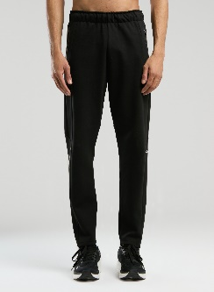 | TM0025 167 | %72 Cotton %28 Polyester | EVERLAST CHAMPIONS COLLECTION BLACK MEN'S TRACK PANTS | EVERLAST CHAMPIONS COLLECTION | S-2XL | mix / not homogen | 420 | € 19.54 | € 28.00 | € 69.00
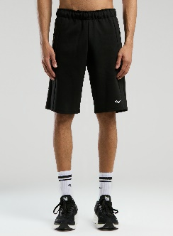 | TM0026 167 | %72 Cotton %28 Polyester | EVERLAST CHAMPIONS COLLECTION BLACK MEN'S Shorts | EVERLAST CHAMPIONS COLLECTION | S-2XL | mix / not homogen | 470 | € 16.45 | € 21.00 | € 52.00
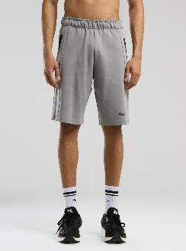 | TM0026 363 | %72 Cotton %28 Polyester | EVERLAST CHAMPIONS COLLECTION GRAY MEN'S Short | EVERLAST CHAMPIONS COLLECTION | S-2XL | mix / not homogen | 510 | € 16.45 | € 21.00 | € 52.00
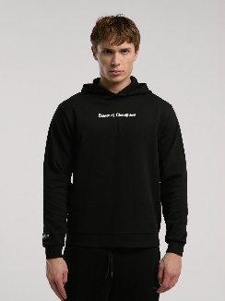 | TM0027 167 | %72 Cotton %28 Polyester | EVERLAST CHAMPIONS COLLECTION BLACK MEN'S HoodieSHIRT | EVERLAST CHAMPIONS COLLECTION | S-2XL | mix / not homogen | 570 | € 13.36 | € 22.00 | € 56.00
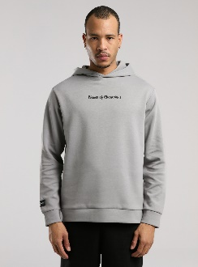 | TM0027 363 | %72 Cotton %28 Polyester | EVERLAST CHAMPIONS COLLECTION GRAY MEN'S HoodieSHIRT | EVERLAST CHAMPIONS COLLECTION | S-2XL | mix / not homogen | 550 | € 13.36 | € 22.00 | € 56.00
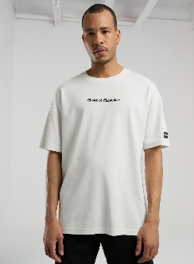 | TM0028 112 | %100 Cotton | EVERLAST CHAMPIONS COLLECTION WHITE MEN'S T-shirt | EVERLAST CHAMPIONS COLLECTION | S-2XL | mix / not homogen | 380 | € 9.24 | € 11.00 | € 28.00
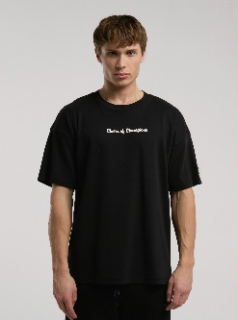 | TM0028 167 | %100 Cotton | EVERLAST CHAMPIONS COLLECTION BLACK MEN'S T-shirt | EVERLAST CHAMPIONS COLLECTION | S-2XL | mix / not homogen | 260 | € 9.24 | € 11.00 | € 28.00
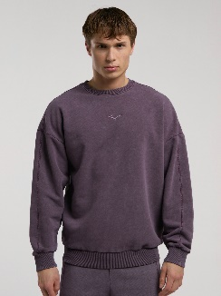 | TM0030 305 | %90 Cotton % 10 Polyester | EVERLAST BRONX 1910 WASHED PURPLE MEN'S SWEATSHIRT | EVERLAST BRONX 1910 | S-2XL | mix / not homogen | 340 | € 15.42 | € 25.00 | € 63.00
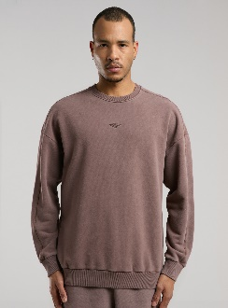 | TM0030 340 | %90 Cotton % 10 Polyester | EVERLAST BRONX 1910 WASHED BROWN MEN'S SWEATSHIRT | EVERLAST BRONX 1910 | S-2XL | mix / not homogen | 340 | € 15.42 | € 25.00 | € 63.00
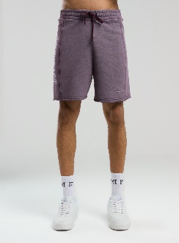 | TM0031 305 | %90 Cotton % 10 Polyester | EVERLAST BRONX 1910 WASHED PURPLE MEN'S Shorts | EVERLAST BRONX 1910 | S-2XL | mix / not homogen | 430 | € 10.27 | € 17.00 | € 41.00
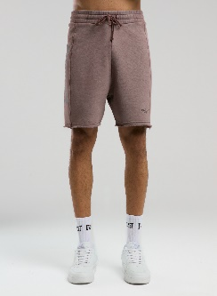 | TM0031 340 | %90 Cotton % 10 Polyester | EVERLAST BRONX 1910 WASHED BROWN MEN'S Shorts | EVERLAST BRONX 1910 | S-2XL | mix / not homogen | 470 | € 10.27 | € 17.00 | € 41.00
 | TM0032 305 | %90 Cotton % 10 Polyester | EVERLAST BRONX 1910 OVERSIZE WASHED PURPLE MEN'S SLEEVELESS SWEATSHIRT | EVERLAST BRONX 1910 | S-2XL | mix / not homogen | 140 | € 9.24 | € 17.00 | € 41.00
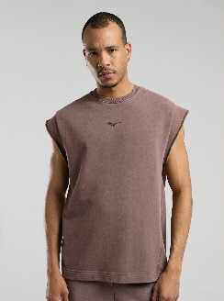 | TM0032 340 | %90 Cotton % 10 Polyester | EVERLAST BRONX 1910 OVERSIZE WASHED BROWN MEN'S Sleeveless Sweatshirt | EVERLAST BRONX 1910 | S-2XL | mix / not homogen | 140 | € 9.24 | € 17.00 | € 41.00
 | TM0033 305 | %90 Cotton % 10 Polyester | EVERLAST BRONX 1910 WASHED PURPLE MEN'S LONG-SLEEVE T-SHIRT | EVERLAST BRONX 1910 | S-2XL | mix / not homogen | 470 | € 11.30 | € 19.00 | € 47.00
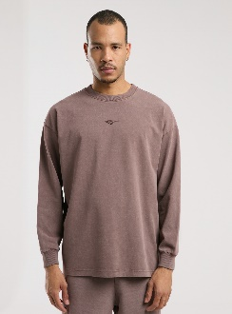 | TM0033 340 | %90 Cotton % 10 Polyester | EVERLAST BRONX 1910 WASHED BROWN MEN'S LONG-SLEEVE T-SHIRT | EVERLAST BRONX 1910 | S-2XL | mix / not homogen | 550 | € 11.30 | € 19.00 | € 47.00
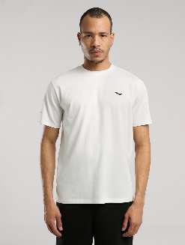 | TM0035 112 | %95 Cotton %5 Spandex | EVER ESSENTIALS REGULAR WHITE MEN'S T-shirt | EVER ESSENTIALS | S-3XL | mix / not homogen | 150 | € 7.18 | € 9.00 | € 22.00
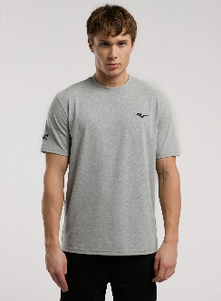 | TM0035 199 | %95 Cotton %5 Spandex | EVER ESSENTIALS REGULAR GRAY MELANGE MEN'S T-shirt | EVER ESSENTIALS | S-3XL | mix / not homogen | 100 | € 7.18 | € 9.00 | € 22.00
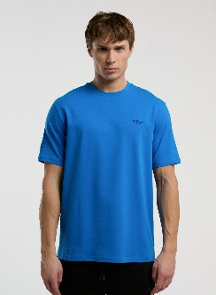 | TM0035 327 | %95 Cotton %5 Spandex | EVER ESSENTIALS REGULAR BLUE MEN'S T-shirt | EVER ESSENTIALS | S-3XL | mix / not homogen | 150 | € 7.18 | € 9.00 | € 22.00
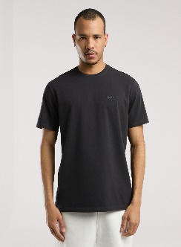 | TM0035 333 | %95 Cotton %5 Spandex | EVER ESSENTIALS REGULAR ANTHRACITE MEN'S T-shirt | EVER ESSENTIALS | S-3XL | mix / not homogen | 290 | € 7.18 | € 9.00 | € 22.00
 | TM0035 344 | %95 Cotton %5 Spandex | EVER ESSENTIALS REGULAR KHAKI MEN'S T-shirt | EVER ESSENTIALS | S-3XL | mix / not homogen | 340 | € 7.18 | € 9.00 | € 22.00
 | TM0036 113 | %100 Cotton | EVER ESSENTIALS OVERSIZE SAND MEN'S Tshirt | EVER ESSENTIALS | S-2XL | mix / not homogen | 350 | € 9.24 | € 12.00 | € 30.00
 | TM0036 199 | %100 Cotton | EVER ESSENTIALS OVERSIZE GRAY MELANGE MEN'S T-shirt | EVER ESSENTIALS | S-2XL | mix / not homogen | 470 | € 9.24 | € 12.00 | € 30.00
 | TM0036 327 | %100 Cotton | EVER ESSENTIALS OVERSIZE BLUE MEN'S T-shirt | EVER ESSENTIALS | S-2XL | mix / not homogen | 200 | € 9.24 | € 12.00 | € 30.00
 | TM0038 112 | %90 Cotton % 10 Polyester | EVER ESSENTIALS COMFORT WHITE MEN'S SWEATSHIRT | EVER ESSENTIALS | S-3XL | mix / not homogen | 240 | € 11.30 | € 18.00 | € 45.00
 | TM0038 167 | %90 Cotton % 10 Polyester | EVER ESSENTIALS COMFORT BLACK MEN'S SWEATSHIRT | EVER ESSENTIALS | S-3XL | mix / not homogen | 120 | € 11.30 | € 18.00 | € 45.00
 | TM0039 112 | %90 Cotton % 10 Polyester | EVER ESSENTIALS REGULAR WHITE MEN'S HOODED FULL ZIP SWEATSHIRT | EVER ESSENTIALS | S-3XL | mix / not homogen | 420 | € 16.45 | € 28.00 | € 71.00
 | TM0039 167 | %90 Cotton % 10 Polyester | EVER ESSENTIALS REGULAR BLACK MEN'S HOODED FULL ZIP SWEATSHIRT | EVER ESSENTIALS | S-3XL | mix / not homogen | 200 | € 16.45 | € 28.00 | € 71.00
 | TM0040 167 | %90 Cotton % 10 Polyester | EVER ESSENTIALS REGULAR BLACK MEN'S JOGGER | EVER ESSENTIALS | S-2XL | mix / not homogen | 150 | € 11.30 | € 19.00 | € 47.00
 | TM0040 344 | %90 Cotton % 10 Polyester | EVER ESSENTIALS REGULAR KHAKI MEN'S JOGGER | EVER ESSENTIALS | S-2XL | mix / not homogen | 340 | € 11.30 | € 19.00 | € 47.00
 | TM0042 113 | %90 Cotton % 10 Polyester | EVER ESSENTIALS REGULAR KUM MEN'S Short | EVER ESSENTIALS | S-2XL | mix / not homogen | 230 | € 11.30 | € 15.00 | € 38.00
 | TM0042 167 | %90 Cotton % 10 Polyester | EVER ESSENTIALS REGULAR BLACK MEN'S Short | EVER ESSENTIALS | S-2XL | mix / not homogen | 150 | € 11.30 | € 15.00 | € 38.00
 | TM0042 344 | %90 Cotton % 10 Polyester | EVER ESSENTIALS REGULAR KHAKI MEN'S Shorts | EVER ESSENTIALS | S-2XL | mix / not homogen | 200 | € 11.30 | € 15.00 | € 38.00
 | TM0043 167 | %90 Cotton % 10 Polyester | EVER ESSENTIALS REGULAR BLACK MEN'S CARGO JOGGER WITH POCKETS | EVER ESSENTIALS | S-2XL | mix / not homogen | 230 | € 13.36 | € 20.00 | € 49.00
 | TM0044 345 | %100 Cotton | EVER CLASSICS REGULAR DARK INDIGO MEN'S TANK | EVER CLASSICS | S-3XL | mix / not homogen | 210 | € 6.15 | € 9.00 | € 23.00
 | TM0044 51 | %100 Cotton | EVER CLASSICS REGULAR GREEN MEN'S TANK | EVER CLASSICS | S-3XL | mix / not homogen | 210 | € 6.15 | € 9.00 | € 23.00
 | TM0045 415 |  | EVER CLASSICS COMFORT LOGO GREY MEN'S T-SHIRT |  | S-2XL | mix / not homogen | 450 | € 8.21 | € 11.00 | € 26.00
 | TM0045 428 |  | EVER CLASSICS COMFORT LOGO MUSTARD MEN'S T-SHIRT |  | S-2XL | mix / not homogen | 250 | € 8.21 | € 11.00 | € 26.00
 | TM0045 345 | %100 Cotton | EVER CLASSICS COMFORT LOGO DARK INDIGO MEN'S Tshirt | EVER CLASSICS | S-3XL | mix / not homogen | 220 | € 8.21 | € 11.00 | € 26.00
 | TM0046 112 | %100 Cotton | EVER CLASSICS OVERSIZE WHITE MEN'S Sleeveless Sweatshirt | EVER CLASSICS | S-2XL | mix / not homogen | 310 | € 10.27 | € 15.00 | € 37.00
 | TM0046 167 | %100 Cotton | EVER CLASSICS OVERSIZE BLACK MEN'S Sleeveless Sweatshirt | EVER CLASSICS | S-2XL | mix / not homogen | 300 | € 10.27 | € 15.00 | € 37.00
 | TM0046 294 | %100 Cotton | EVER CLASSICS OVERSIZE SMOKE GRAY MEN'S Sleeveless Sweatshirt | EVER CLASSICS | S-2XL | mix / not homogen | 150 | € 10.27 | € 15.00 | € 37.00
 | TM0046 345 | %100 Cotton | EVER CLASSICS OVERSIZE DARK INDIGO MEN'S Sleeveless SweatSHIRT | EVER CLASSICS | S-2XL | mix / not homogen | 210 | € 10.27 | € 15.00 | € 37.00
 | TM0046 51 | %100 Cotton | EVER CLASSICS OVERSIZE GREEN MEN'S Sleeveless Sweatshirt | EVER CLASSICS | S-2XL | mix / not homogen | 85 | € 10.27 | € 15.00 | € 37.00
 | TM0047 112 | %90 Cotton % 10 Polyester | EVER CLASSICS REGULAR WHITE MEN'S Shorts | EVER CLASSICS | S-2XL | mix / not homogen | 90 | € 9.24 | € 15.00 | € 38.00
 | TM0047 167 | %90 Cotton % 10 Polyester | EVER CLASSICS REGULAR BLACK MEN'S Shorts | EVER CLASSICS | S-2XL | mix / not homogen | 110 | € 9.24 | € 15.00 | € 38.00
 | TM0047 294 | %90 Cotton % 10 Polyester | EVER CLASSICS REGULAR SMOKED MEN'S Shorts | EVER CLASSICS | S-2XL | mix / not homogen | 110 | € 9.24 | € 15.00 | € 38.00
 | TM0047 345 | %90 Cotton % 10 Polyester | EVER CLASSICS REGULAR DARK INDIGO MEN'S Shorts | EVER CLASSICS | S-2XL | mix / not homogen | 190 | € 9.24 | € 15.00 | € 38.00
 | TM0047 51 | %90 Cotton % 10 Polyester | EVER CLASSICS REGULAR GREEN MEN'S Shorts | EVER CLASSICS | S-2XL | mix / not homogen | 135 | € 9.24 | € 15.00 | € 38.00
 | TM0048 345 | %100 Cotton | EVER CLASSICS OVERSIZE DARK INDIGO MEN'S T-shirt WITH PRINTED BACK | EVER CLASSICS | S-2XL | mix / not homogen | 390 | € 10.27 | € 12.00 | € 30.00
 | TM0048 51 | %100 Cotton | EVER CLASSICS OVERSIZE GREEN MEN'S T-shirt WITH PRINTED BACK | EVER CLASSICS | S-2XL | mix / not homogen | 160 | € 10.27 | € 12.00 | € 30.00
 | TM0049 167 | %90 Cotton % 10 Polyester | EVER CLASSICS COMFORT BLACK HOODED PRINTED MEN'S SWEATSHIRT | EVER CLASSICS | S-2XL | mix / not homogen | 430 | € 15.42 | € 22.00 | € 56.00
 | TM0049 294 | %90 Cotton % 10 Polyester | EVER CLASSICS COMFORT SMOKE GRAY HOODED PRINTED MEN'S SWEATSHIRT | EVER CLASSICS | S-2XL | mix / not homogen | 460 | € 15.42 | € 22.00 | € 56.00
 | TM0050 112 |  | EVER CLASSICS COMFORT WHITE MEN'S SWEATSHIRT |  | S-3XL | mix / not homogen | 150 | € 15.42 | € 25.00 | € 61.00
 | TM0050 167 |  | EVER CLASSICS COMFORT BLACK MEN'S SWEATSHIRT |  | S-3XL | mix / not homogen | 250 | € 15.42 | € 25.00 | € 61.00
 | TM0052 232 | %75 PES %25 Spandex | EVERFIT TRAINING ESSENTIALS COBALT Tank | EVERFIT TRAINING ESSENTIALS | S-2XL | mix / not homogen | 370 | € 9.24 | € 10.00 | € 25.00
 | TM0052 294 | %75 PES %25 Spandex | EVERFIT TRAINING ESSENTIALS SMOKED Tank | EVERFIT TRAINING ESSENTIALS | S-2XL | mix / not homogen | 210 | € 9.24 | € 10.00 | € 25.00
 | TM0052 328 | %75 PES %25 Spandex | EVERFIT TRAINING ESSENTIALS KHAKI Tank | EVERFIT TRAINING ESSENTIALS | S-2XL | mix / not homogen | 420 | € 9.24 | € 10.00 | € 25.00
  | TM0053 167 | %75 PES %25 Spandex | EVERFIT TRAINING ESSENTIALS BLACK Tshirt | EVERFIT TRAINING ESSENTIALS | S-2XL | mix / not homogen | 100 | € 10.27 | € 11.00 | € 28.00
 | TM0053 232 | %75 PES %25 Spandex | EVERFIT TRAINING ESSENTIALS COBALT T-shirt | EVERFIT TRAINING ESSENTIALS | S-2XL | mix / not homogen | 470 | € 10.27 | € 11.00 | € 28.00
 | TM0053 294 | %75 PES %25 Spandex | EVERFIT TRAINING ESSENTIALS SMOKED Tshirt | EVERFIT TRAINING ESSENTIALS | S-2XL | mix / not homogen | 370 | € 10.27 | € 11.00 | € 28.00
 | TM0053 328 | %75 PES %25 Spandex | EVERFIT TRAINING ESSENTIALS KHAKI Tshirt | EVERFIT TRAINING ESSENTIALS | S-2XL | mix / not homogen | 470 | € 10.27 | € 11.00 | € 28.00
 | TM0054 232 | %75 PES %25 Spandex | EVERFIT TRAINING ESSENTIALS COBALT Short | EVERFIT TRAINING ESSENTIALS | S-2XL | mix / not homogen | 320 | € 10.27 | € 11.00 | € 28.00
 | TM0054 294 | %75 PES %25 Spandex | EVERFIT TRAINING ESSENTIALS FUME Short | EVERFIT TRAINING ESSENTIALS | S-2XL | mix / not homogen | 190 | € 10.27 | € 11.00 | € 28.00
 | TM0054 328 | %75 PES %25 Spandex | EVERFIT TRAINING ESSENTIALS GREEN Short | EVERFIT TRAINING ESSENTIALS | S-2XL | mix / not homogen | 290 | € 10.27 | € 11.00 | € 28.00
 | TM0072 294 | %100 Cotton | EVERLAST NY STREET OVERSIZE ANTHRACITE MEN'S T-shirt | EVERLAST NY STREET | S-2XL | mix / not homogen | 110 | € 11.30 | € 15.00 | € 37.00
 | TM0072 381 | %100 Cotton | EVERLAST NY STREET OVERSIZE LIGHT RED MEN'S T-shirt | EVERLAST NY STREET | S-2XL | mix / not homogen | 400 | € 11.30 | € 15.00 | € 37.00
 | TM0073 294 | %67 Cotton %33 Polyester | EVERLAST NY STREET OVERSIZE OPEN COLLAR SMOKE GRAY MEN'S T-shirt | EVERLAST NY STREET | S-2XL | mix / not homogen | 210 | € 12.33 | € 15.00 | € 37.00
 | TM0073 381 | %67 Cotton %33 Polyester | EVERLAST NY STREET OVERSIZE OPEN COLLAR RED MEN'S T-shirt | EVERLAST NY STREET | S-2XL | mix / not homogen | 440 | € 11.30 | € 15.00 | € 37.00
 | TM0073 344 | %67 Cotton %33 Polyester | Everlast Ny Street Oversize Wide Collar Khaki Men's T-Shirt | EVERLAST NY STREET | S-2XL | mix / not homogen | 260 | € 11.30 | € 15.00 | € 37.00
 | TM0074 294 | %90 Cotton % 10 Polyester | EVERLAST NY STREET SMOKE GRAY MEN'S TRACK PANTS | EVERLAST NY STREET | S-2XL | mix / not homogen | 240 | € 14.39 | € 22.00 | € 54.00
 | TM0075 294 | %90 Cotton % 10 Polyester | EVERLAST NY STREET SMOKE GRAY HOODED MEN'S FULL ZIP SWEATSHIRT | EVERLAST NY STREET | S-2XL | mix / not homogen | 440 | € 22.63 | € 34.00 | € 86.00
 | TM0083 112 | %95 Cotton %5 Spandex | EVER ESSENTIALS BASIC REGULAR WHITE MEN'S T-shirt | EVER ESSENTIALS | S-3XL | mix / not homogen | 130 | € 7.18 | € 9.00 | € 22.00
 | TM0083 167 | %95 Cotton %5 Spandex | EVER ESSENTIALS BASIC REGULAR BLACK MEN'S T-shirt | EVER ESSENTIALS | S-3XL | mix / not homogen | 220 | € 7.18 | € 9.00 | € 22.00
 | TM0083 333 | %95 Cotton %5 Spandex | EVER ESSENTIALS BASIC REGULAR ANTRASIT ERKEK Tshirt | EVER ESSENTIALS | S-3XL | mix / not homogen | 210 | € 7.18 | € 9.00 | € 22.00
 | TM0083 344 | %95 Cotton %5 Spandex | EVER ESSENTIALS BASIC REGULAR HAKİ ERKEK Tshirt | EVER ESSENTIALS | S-3XL | mix / not homogen | 440 | € 7.18 | € 9.00 | € 22.00
 | TW0002 346 | %100 Cotton | EVERLAST BOXING CLUB WMN OVERSIZE UZUN KOLLU LİLA KADIN Tshirt | EVERLAST BOXING CLUB WMN | XS-XL | mix / not homogen | 210 | € 10.27 | € 14.00 | € 34.00
 | TW0003 346 | %67 Cotton %33 Polyester | EVERLAST BOXING CLUB WMN CROP UZUN KOLLU LİLA KADIN SWEATSHIRT | EVERLAST BOXING CLUB WMN | XS-XL | mix / not homogen | 140 | € 13.36 | € 18.00 | € 45.00
 | TW0004 331 | %95 Cotton %5ELASTANE | EVERLAST BOXING CLUB WMN KOYU INDIGO KADIN Short Legging | EVERLAST BOXING CLUB WMN | XS-XL | mix / not homogen | 70 | € 8.21 | € 9.00 | € 23.00
 | TW0005 331 | %81Cotton %13 Polyester %6EA / %81 Cotton %13 Pes %6EA | EVERLAST BOXING CLUB WMN KOYU INDIGO KADIN EŞOFMAN ALTI | EVERLAST BOXING CLUB WMN | XS-XL | mix / not homogen | 170 | € 14.39 | € 19.00 | € 48.00
 | TW0006 333 | %100 Cotton | EVERLAST AUTHENTIC BOXING WMN OVERSIZE ANTRASİT KADIN Tank | EVERLAST AUTHENTIC BOXING | XS-XL | mix / not homogen | 380 | € 9.24 | € 11.00 | € 28.00
 | TW0006 344 | %100 Cotton | EVERLAST AUTHENTIC BOXING WMN OVERSIZE HAKİ KADIN Tank | EVERLAST AUTHENTIC BOXING | XS-XL | mix / not homogen | 170 | € 9.24 | € 11.00 | € 28.00
 | TW0007 333 | %65 Cotton %35 Poly / %65 Cotton %35 Pes | EVERLAST AUTHENTIC BOXING WMN OVERSIZE ANTRASİT KADIN Sleeveless SweatSHIRT | EVERLAST AUTHENTIC BOXING | XS-XL | mix / not homogen | 320 | € 12.33 | € 19.00 | € 47.00
 | TW0007 344 | %65 Cotton %35 Poly / %65 Cotton %35 Pes | EVERLAST AUTHENTIC BOXING WMN OVERSIZE HAKİ KADIN Sleeveless SweatSHIRT | EVERLAST AUTHENTIC BOXING | XS-XL | mix / not homogen | 120 | € 12.33 | € 19.00 | € 47.00
 | TW0008 333 | %100 Cotton | EVERLAST AUTHENTIC BOXING WMN OVERSIZE ANTRASİT KADIN Tshirt | EVERLAST AUTHENTIC BOXING | XS-XL | mix / not homogen | 370 | € 10.27 | € 14.00 | € 36.00
 | TW0008 344 | %100 Cotton | EVERLAST AUTHENTIC BOXING WMN OVERSIZE HAKİ KADIN Tshirt | EVERLAST AUTHENTIC BOXING | XS-XL | mix / not homogen | 110 | € 10.27 | € 14.00 | € 36.00
 | TW0009 333 | %90 Cotton, %10 polyester | EVERLAST AUTHENTIC BOXING WMN OVERSIZE ANTRASİT KADIN HoodieSHIRT | EVERLAST AUTHENTIC BOXING | XS-XL | mix / not homogen | 290 | € 16.45 | € 29.00 | € 73.00
 | TW0009 344 | %90 Cotton, %10 polyester | EVERLAST AUTHENTIC BOXING WMN OVERSIZE HAKİ KADIN HoodieSHIRT | EVERLAST AUTHENTIC BOXING | XS-XL | mix / not homogen | 110 | € 16.45 | € 29.00 | € 73.00
 | TW0010 333 | %90 Cotton, %10 polyester | EVERLAST AUTHENTIC BOXING WMN ANTRASİT KADIN SWEATSHIRT | EVERLAST AUTHENTIC BOXING | XS-XL | mix / not homogen | 410 | € 14.39 | € 22.00 | € 56.00
 | TW0010 344 | %90 Cotton, %10 polyester | EVERLAST AUTHENTIC BOXING WMN KHAKI WOMEN'S SWEATSHIRT | EVERLAST AUTHENTIC BOXING | XS-XL | mix / not homogen | 170 | € 14.39 | € 22.00 | € 56.00
 | TW0011 333 | %100 Cotton | EVERLAST AUTHENTIC BOXING WMN ANTHRACITE WOMEN'S CROP Tshirt | EVERLAST AUTHENTIC BOXING | XS-XL | mix / not homogen | 170 | € 9.24 | € 11.00 | € 28.00
 | TW0013 333 | %90 Cotton, %10 polyester | EVERLAST AUTHENTIC BOXING WMN ANTHRACITE WOMEN'S TRACK PANTS | EVERLAST AUTHENTIC BOXING | XS-XL | mix / not homogen | 320 | € 14.39 | € 21.00 | € 52.00
 | TW0013 344 | %90 Cotton, %10 polyester | EVERLAST AUTHENTIC BOXING WMN KHAKI WOMEN'S TRACK PANTS | EVERLAST AUTHENTIC BOXING | XS-XL | mix / not homogen | 130 | € 14.39 | € 21.00 | € 52.00
 | TW0014 305 | %100 Cotton | EVERLAST BRONX 1910 OVERSIZE PURPLE CROP WOMEN'S Tshirt | EVERLAST BRONX 1910 | XS-XL | mix / not homogen | 370 | € 9.24 | € 11.00 | € 28.00
 | TW0014 374 | %100 Cotton | EVERLAST BRONX 1910 OVERSIZE ORANGE CROP WOMEN'S T-shirt | EVERLAST BRONX 1910 | XS-XL | mix / not homogen | 400 | € 9.24 | € 11.00 | € 28.00
 | TW0015 305 | %100 Cotton | EVERLAST BRONX 1910 OVERSIZE PURPLE CROP LONG-SLEEVE WOMEN'S T-shirt | EVERLAST BRONX 1910 | XS-XL | mix / not homogen | 380 | € 10.27 | € 15.00 | € 37.00
 | TW0015 374 | %100 Cotton | EVERLAST BRONX 1910 OVERSIZE ORANGE CROP LONG SLEEVE WOMEN'S T-shirt | EVERLAST BRONX 1910 | XS-XL | mix / not homogen | 410 | € 10.27 | € 15.00 | € 37.00
 | TW0016 305 | %90 Cotton, %10 polyester | EVERLAST BRONX 1910 OVERSIZE PURPLE CROP WOMEN'S SHORT SLEEVE SWEATSHIRT | EVERLAST BRONX 1910 | XS-XL | mix / not homogen | 360 | € 10.27 | € 16.00 | € 39.00
 | TW0016 374 | %90 Cotton, %10 polyester | EVERLAST BRONX 1910 OVERSIZE ORANGE CROP WOMEN'S SHORT-SLEEVE SWEATSHIRT | EVERLAST BRONX 1910 | XS-XL | mix / not homogen | 360 | € 10.27 | € 16.00 | € 39.00
 | TW0017 305 | %90 Cotton, %10 polyester | EVERLAST BRONX 1910 PURPLE WOMEN'S Shorts | EVERLAST BRONX 1910 | XS-XL | mix / not homogen | 340 | € 8.21 | € 13.00 | € 32.00
 | TW0017 374 | %90 Cotton, %10 polyester | EVERLAST BRONX 1910 ORANGE WOMEN'S Shorts | EVERLAST BRONX 1910 | XS-XL | mix / not homogen | 380 | € 8.21 | € 13.00 | € 32.00
 | TW0018 305 | %90 Cotton, %10 polyester | EVERLAST BRONX 1910 OVERSIZE PURPLE WOMEN'S SWEAT PANTS | EVERLAST BRONX 1910 | XS-XL | mix / not homogen | 280 | € 14.39 | € 20.00 | € 50.00
 | TW0018 374 | %90 Cotton, %10 polyester | EVERLAST BRONX 1910 OVERSIZE ORANGE WOMEN'S ORANGE TRACK PANTS | EVERLAST BRONX 1910 | XS-XL | mix / not homogen | 310 | € 14.39 | € 20.00 | € 50.00
 | TW0023 112 | %48 Cotton, %47 Modal | EVER RELAXED RIB WHITE WOMAN Tank BUSTIER | EVER RELAXED WMN | XS-XL | mix / not homogen | 350 | € 5.12 | € 6.00 | € 13.00
 | TW0023 167 | %48 Cotton, %47 Modal | EVER RELAXED RIB BLACK WOMAN Tank BUSTIER | EVER RELAXED WMN | XS-XL | mix / not homogen | 350 | € 5.12 | € 6.00 | € 13.00
 | TW0023 344 | %48 Cotton, %47 Modal | EVER RELAXED RIB KHAKI WOMEN Tank BUSTIER | EVER RELAXED WMN | XS-XL | mix / not homogen | 350 | € 5.12 | € 6.00 | € 13.00
 | TW0023 352 | %48 Cotton, %47 Modal | EVER RELAXED RIB PLUM WOMAN Tank BUSTIER | EVER RELAXED WMN | XS-XL | mix / not homogen | 350 | € 5.12 | € 6.00 | € 13.00
 | TW0024 112 | %48 Cotton, %47 Modal | EVER RELAXED RIB WHITE WOMEN'S THICK-STRAPPED Tank | EVER RELAXED WMN | XS-XL | mix / not homogen | 350 | € 6.15 | € 7.00 | € 18.00
 | TW0024 167 | %48 Cotton, %47 Modal | EVER RELAXED RIB BLACK WOMEN'S THICK-STRAPPED Tank | EVER RELAXED WMN | XS-XL | mix / not homogen | 350 | € 6.15 | € 7.00 | € 18.00
 | TW0024 344 | %48 Cotton, %47 Modal | EVER RELAXED RIB KHAKI FEMALE Tank | EVER RELAXED WMN | XS-XL | mix / not homogen | 350 | € 6.15 | € 7.00 | € 18.00
 | TW0024 352 | %48 Cotton, %47 Modal | EVER RELAXED RIB PLUM WOMAN Tank | EVER RELAXED WMN | XS-XL | mix / not homogen | 350 | € 6.15 | € 7.00 | € 18.00
 | TW0025 112 | %48 Cotton, %47 Modal | EVER RELAXED RIB WHITE WOMEN'S CROP T-shirt | EVER RELAXED WMN | XS-XL | mix / not homogen | 350 | € 6.15 | € 7.00 | € 18.00
 | TW0025 167 | %48 Cotton, %47 Modal | EVER RELAXED RIB BLACK WOMEN CROP Tshirt | EVER RELAXED WMN | XS-XL | mix / not homogen | 300 | € 6.15 | € 7.00 | € 18.00
 | TW0025 344 | %48 Cotton, %47 Modal | EVER RELAXED RIB KHAKI WOMEN CROP Tshirt | EVER RELAXED WMN | XS-XL | mix / not homogen | 390 | € 6.15 | € 7.00 | € 18.00
 | TW0025 352 | %48 Cotton, %47 Modal | EVER RELAXED RIB PLUM WOMEN'S CROP T-shirt | EVER RELAXED WMN | XS-XL | mix / not homogen | 390 | € 6.15 | € 7.00 | € 18.00
 | TW0026 112 | %95 Cotton %5 Spandex | EVER CLASSICS WMN WHITE WOMAN BASIC CROP Tank | EVER CLASSICS WMN | XS-2XL | mix / not homogen | 320 | € 5.12 | € 6.00 | € 15.00
 | TW0026 167 | %95 Cotton %5 Spandex | EVER CLASSICS WMN BLACK WOMEN BASIC CROP Tank | EVER CLASSICS WMN | XS-2XL | mix / not homogen | 300 | € 5.12 | € 6.00 | € 15.00
 | TW0026 294 | %95 Cotton %5 Spandex | EVER CLASSICS WMN SMOKED WOMEN'S BASIC CROP Tank | EVER CLASSICS WMN | XS-2XL | mix / not homogen | 220 | € 5.12 | € 6.00 | € 15.00
 | TW0026 346 | %95 Cotton %5 Spandex | EVER CLASSICS WMN LILA WOMEN BASIC CROP Tank | EVER CLASSICS WMN | XS-2XL | mix / not homogen | 410 | € 5.12 | € 6.00 | € 15.00
 | TW0027 112 | %100 Cotton | EVER CLASSICS WMN OVERSIZE WHITE WOMEN'S T-shirt | EVER CLASSICS WMN | XS-2XL | mix / not homogen | 320 | € 8.21 | € 10.00 | € 24.00
 | TW0027 167 | %100 Cotton | EVER CLASSICS WMN OVERSIZE BLACK WOMEN'S T-shirt | EVER CLASSICS WMN | XS-2XL | mix / not homogen | 420 | € 8.21 | € 10.00 | € 24.00
 | TW0027 294 | %100 Cotton | EVER CLASSICS WMN OVERSIZE SMOKY GRAY WOMEN'S T-shirt | EVER CLASSICS WMN | XS-2XL | mix / not homogen | 300 | € 8.21 | € 10.00 | € 24.00
 | TW0027 346 | %100 Cotton | EVER CLASSICS WMN OVERSIZE LILA WOMEN'S T-Shirt | EVER CLASSICS WMN | XS-2XL | mix / not homogen | 300 | € 8.21 | € 10.00 | € 24.00
 | TW0028 167 | %65 Cotton %35 Poly / %65 Cotton %35 Pes | EVER CLASSICS WMN BLACK WOMEN'S CROP HOODED Sleeveless Sweatshirt | EVER CLASSICS WMN | XS-2XL | mix / not homogen | 400 | € 10.27 | € 14.00 | € 34.00
 | TW0028 294 | %65 Cotton %35 Poly / %65 Cotton %35 Pes | EVER CLASSICS WMN Smoke Women's Crop Hooded Sleeveless Sweatshirt | EVER CLASSICS WMN | XS-2XL | mix / not homogen | 400 | € 10.27 | € 14.00 | € 34.00
 | TW0028 346 | %65 Cotton %35 Poly / %65 Cotton %35 Pes | EVER CLASSICS WMN Lilac Women's Crop Hooded Sleeveless Sweatshirt | EVER CLASSICS WMN | XS-2XL | mix / not homogen | 380 | € 10.27 | € 14.00 | € 34.00
 | TW0029 167 | %65 Cotton %35 Poly / %65 Cotton %35 Pes | EVER CLASSICS WMN BLACK WOMEN'S Shorts | EVER CLASSICS WMN | XS-2XL | mix / not homogen | 380 | € 8.21 | € 11.00 | € 28.00
 | TW0029 294 | %65 Cotton %35 Poly / %65 Cotton %35 Pes | EVER CLASSICS WMN SMOKED WOMEN'S Short | EVER CLASSICS WMN | XS-2XL | mix / not homogen | 260 | € 8.21 | € 11.00 | € 28.00
 | TW0029 346 | %65 Cotton %35 Poly / %65 Cotton %35 Pes | EVER CLASSICS WMN LILA WOMEN Short | EVER CLASSICS WMN | XS-2XL | mix / not homogen | 220 | € 8.21 | € 11.00 | € 28.00
 | TW0030 112 | %65 Cotton %35 Poly / %65 Cotton %35 Pes | EVER CLASSICS WMN WHITE WOMEN JOGGER | EVER CLASSICS WMN | XS-2XL | mix / not homogen | 320 | € 12.33 | € 19.00 | € 47.00
 | TW0030 167 | %65 Cotton %35 Poly / %65 Cotton %35 Pes | EVER CLASSICS WMN BLACK WOMEN'S JOGGER | EVER CLASSICS WMN | XS-2XL | mix / not homogen | 250 | € 12.33 | € 19.00 | € 47.00
 | TW0030 346 | %65 Cotton %35 Poly / %65 Cotton %35 Pes | EVER CLASSICS WMN LILA WOMEN'S JOGGER | EVER CLASSICS WMN | XS-2XL | mix / not homogen | 400 | € 12.33 | € 19.00 | € 47.00
 | TW0031 112 | %100 Cotton | EVER CLASSICS WMN COMFORT WHITE WOMEN'S CROP Tshirt | EVER CLASSICS WMN | XS-XL | mix / not homogen | 300 | € 7.18 | € 9.00 | € 22.00
 | TW0031 167 | %100 Cotton | EVER CLASSICS WMN COMFORT BLACK WOMEN CROP Tshirt | EVER CLASSICS WMN | XS-XL | mix / not homogen | 300 | € 7.18 | € 9.00 | € 22.00
 | TW0031 291 | %100 Cotton | EVER CLASSICS WMN COMFORT AQUA GREEN WOMEN'S CROP T-shirt | EVER CLASSICS WMN | XS-XL | mix / not homogen | 310 | € 7.18 | € 9.00 | € 22.00
 | TW0031 294 | %100 Cotton | EVER CLASSICS WMN COMFORT SMOKED WOMEN'S CROP Tshirt | EVER CLASSICS WMN | XS-XL | mix / not homogen | 190 | € 7.18 | € 9.00 | € 22.00
 | TW0031 346 | %100 Cotton | EVER CLASSICS WMN COMFORT LILA WOMEN CROP Tshirt | EVER CLASSICS WMN | XS-XL | mix / not homogen | 320 | € 7.18 | € 9.00 | € 22.00
 | TW0032 112 | %90 Cotton, %10 polyester | EVER CLASSICS WMN WHITE WOMEN'S HoodieSHIRT | EVER CLASSICS WMN | XS-2XL | mix / not homogen | 350 | € 13.36 | € 20.00 | € 50.00
 | TW0032 294 | %90 Cotton, %10 polyester | EVER CLASSICS WMN SMOKED WOMEN'S HoodieSHIRT | EVER CLASSICS WMN | XS-2XL | mix / not homogen | 320 | € 13.36 | € 20.00 | € 50.00
 | TW0033 167 | %90 Cotton, %10 polyester | EVER CLASSICS WMN COMFORT BLACK WOMEN'S HoodieSHIRT | EVER CLASSICS WMN | XS-XL | mix / not homogen | 320 | € 12.33 | € 19.00 | € 47.00
 | TW0033 291 | %90 Cotton, %10 polyester | EVER CLASSICS WMN COMFORT AQUA GREEN WOMEN'S HoodieSHIRT | EVER CLASSICS WMN | XS-XL | mix / not homogen | 420 | € 12.33 | € 19.00 | € 47.00
 | TW0035 167 | %90 Cotton, %10 polyester | EVER CLASSICS WMN BLACK COMFORT WOMEN'S TRACK PANTS | EVER CLASSICS WMN | XS-2XL | mix / not homogen | 270 | € 13.36 | € 17.00 | € 43.00
 | TW0035 291 | %90 Cotton, %10 polyester | EVER CLASSICS WMN COMFORT AQUARIUM WOMEN'S TRACK PANTS | EVER CLASSICS WMN | XS-2XL | mix / not homogen | 100 | € 12.33 | € 17.00 | € 43.00
 | TW0035 294 | %90 Cotton, %10 polyester | EVER CLASSICS WMN COMFORT SMOKE GRAY WOMEN'S TRACK PANTS | EVER CLASSICS WMN | XS-2XL | mix / not homogen | 280 | € 12.33 | € 17.00 | € 43.00
 | TW0036 167 | %90 Cotton, %10 polyester | EVER CLASSICS WMN BLACK WOMEN'S HOODED FULL ZIP SWEATSHIRT | EVER ESSENTIALS WMN | XS-2XL | mix / not homogen | 350 | € 16.45 | € 26.00 | € 65.00
 | TW0036 199 | %90 Cotton, %10 polyester | EVER CLASSICS WMN GRAY MELANGE WOMEN'S HOODED FULL ZIP SWEATSHIRT | EVER ESSENTIALS WMN | XS-2XL | mix / not homogen | 350 | € 16.45 | € 26.00 | € 65.00
 | TW0037 112 | %95 Cotton %5 Spandex | EVER ESSENTIALS WHITE WOMEN'S cotton bra | EVER ESSENTIALS WMN | XS-2XL | mix / not homogen | 800 | € 7.18 | € 8.00 | € 19.00
 | TW0037 167 | %95 Cotton %5 Spandex | EVER ESSENTIALS BLACK WOMEN'S cotton bra | EVER ESSENTIALS WMN | XS-2XL | mix / not homogen | 650 | € 7.18 | € 8.00 | € 19.00
 | TW0037 199 | %48 Polyesterster %46 Cotton , %6 Spandex | EVER ESSENTIALS GRAY MELANGE WOMEN cotton Bra | EVER ESSENTIALS WMN | XS-2XL | mix / not homogen | 780 | € 7.18 | € 8.00 | € 19.00
 | TW0038 167 | %86 Cotton %14 Spandex | EVER ESSENTIALS BLACK WOMEN'S BIKER LEGGINGS | EVER ESSENTIALS WMN | XS-2XL | mix / not homogen | 250 | € 7.18 | € 8.00 | € 19.00
 | TW0038 199 | %60 Polyesterester, %25 Cotton ve %15 Spandex | EVER ESSENTIALS GRAY MELANGE WOMEN'S BIKER LEGGINGS | EVER ESSENTIALS WMN | XS-2XL | mix / not homogen | 380 | € 7.18 | € 8.00 | € 19.00
 | TW0039 112 | %86 Cotton % 14 Polyester | EVER ESSENTIALS WHITE WOMAN Short | EVER ESSENTIALS WMN | XS-2XL | mix / not homogen | 320 | € 8.21 | € 11.00 | € 28.00
 | TW0039 167 | %86 Cotton % 14 Polyester | EVER ESSENTIALS BLACK WOMAN Short | EVER ESSENTIALS WMN | XS-2XL | mix / not homogen | 220 | € 8.21 | € 11.00 | € 28.00
 | TW0039 199 | %86 Cotton % 14 Polyester | EVER ESSENTIALS GRAY MELANGE WOMEN Short | EVER ESSENTIALS WMN | XS-2XL | mix / not homogen | 220 | € 8.21 | € 11.00 | € 28.00
 | TW0040 167 | %86 Cotton, %14 Spandex | EVER ESSENTIALS BLACK WOMEN'S LEGGINGS | EVER ESSENTIALS WMN | XS-2XL | mix / not homogen | 150 | € 7.18 | € 9.00 | € 23.00
 | TW0040 199 | %60 Polyesterester, %25 Cotton ve %15 Spandex | EVER ESSENTIALS GRAY MELANGE WOMEN'S LEGGINGS | EVER ESSENTIALS WMN | XS-2XL | mix / not homogen | 250 | € 7.18 | € 9.00 | € 23.00
 | TW0041 167 | %100 Cotton | EVER ESSENTIALS BLACK WOMAN Tank | EVER ESSENTIALS WMN | XS-2XL | mix / not homogen | 150 | € 6.15 | € 8.00 | € 19.00
 | TW0041 199 | %51 polyester , %49 Cotton | EVER ESSENTIALS GRAY MELANGE WOMEN'S Tank | EVER ESSENTIALS WMN | XS-2XL | mix / not homogen | 320 | € 6.15 | € 8.00 | € 19.00
 | TW0042 199 | %51 Polyester, %49 Cotton | EVER ESSENTIALS COMFORT GRAY MELANGE WOMEN'S CROP Tshirt | EVER ESSENTIALS WMN | XS-2XL | mix / not homogen | 400 | € 8.21 | € 9.00 | € 23.00
 | TW0043 112 | %90 Cotton, %10 Polyester | EVER ESSENTIALS WHITE WOMEN'S SWEATSHIRT | EVER ESSENTIALS WMN | XS-2XL | mix / not homogen | 140 | € 11.30 | € 19.00 | € 47.00
 | TW0043 167 | %90 Cotton, %10 Polyester | EVER ESSENTIALS BLACK WOMEN'S SWEATSHIRT | EVER ESSENTIALS WMN | XS-2XL | mix / not homogen | 250 | € 11.30 | € 19.00 | € 47.00
 | TW0044 167 | %82 POLYESTER %18 ELASTANE | EVERFIT TRAINING ESSENTIALS BLACK WOMEN'S CROSS BACK Bra | EVERFIT TRAINING ESSENTIALS WMN | XS-2XL | mix / not homogen | 250 | € 10.27 | € 12.00 | € 30.00
 | TW0044 344 | %82 POLYESTER %18 ELASTANE | EVERFIT TRAINING ESSENTIALS KHAKI WOMEN'S CROSS BACK Bra | EVERFIT TRAINING ESSENTIALS WMN | XS-2XL | mix / not homogen | 130 | € 10.27 | € 12.00 | € 30.00
 | TW0044 346 | %82 POLYESTER %18 ELASTANE | EVERFIT TRAINING ESSENTIALS LILA WOMEN'S CROSS BACK Bra | EVERFIT TRAINING ESSENTIALS WMN | XS-2XL | mix / not homogen | 210 | € 10.27 | € 12.00 | € 30.00
 | TW0045 331 | %82 POLYESTER %18 ELASTANE | EVERFIT TRAINING ESSENTIALS DARK INDIGO WOMEN'S READY Bra | EVERFIT TRAINING ESSENTIALS WMN | XS-2XL | mix / not homogen | 250 | € 10.27 | € 11.00 | € 28.00
 | TW0045 360 | %82 POLYESTER %18 ELASTANE | EVERFIT TRAINING ESSENTIALS MINT WOMEN'S READY Bra | EVERFIT TRAINING ESSENTIALS WMN | XS-2XL | mix / not homogen | 245 | € 10.27 | € 11.00 | € 28.00
 | TW0046 112 | %82 POLYESTER %18 ELASTANE | EVERFIT TRAINING ESSENTIALS WHITE WOMEN'S EXTENDED BRACE | EVERFIT TRAINING ESSENTIALS WMN | XS-2XL | mix / not homogen | 120 | € 10.27 | € 11.00 | € 28.00
 | TW0046 167 | %82 POLYESTER %18 ELASTANE | EVERFIT TRAINING ESSENTIALS BLACK WOMEN'S EXTENDED BRACE | EVERFIT TRAINING ESSENTIALS WMN | XS-2XL | mix / not homogen | 220 | € 10.27 | € 11.00 | € 28.00
 | TW0046 360 | %82 POLYESTER %18 ELASTANE | EVERFIT TRAINING ESSENTIALS MINT WOMEN EXTENDED Bra | EVERFIT TRAINING ESSENTIALS WMN | XS-2XL | mix / not homogen | 130 | € 10.27 | € 11.00 | € 28.00
 | TW0047 167 | %82 POLYESTER %18 ELASTANE | EVERFIT TRAINING ESSENTIALS BLACK WOMEN'S Short Leggings | EVERFIT TRAINING ESSENTIALS WMN | XS-2XL | mix / not homogen | 170 | € 10.27 | € 11.00 | € 28.00
 | TW0047 331 | %82 POLYESTER %18 ELASTANE | EVERFIT TRAINING ESSENTIALS DARK INDIGO WOMEN'S Short Legging | EVERFIT TRAINING ESSENTIALS WMN | XS-2XL | mix / not homogen | 240 | € 10.27 | € 11.00 | € 28.00
 | TW0047 346 | %82 POLYESTER %18 ELASTANE | EVERFIT TRAINING ESSENTIALS LILA WOMEN Short Legging | EVERFIT TRAINING ESSENTIALS WMN | XS-2XL | mix / not homogen | 240 | € 10.27 | € 11.00 | € 28.00
 | TW0049 112 | %82 POLYESTER %18 ELASTANE | EVERFIT TRAINING ESSENTIALS WHITE WOMEN'S LEGGINGS | EVERFIT TRAINING ESSENTIALS WMN | XS-2XL | mix / not homogen | 110 | € 12.33 | € 13.00 | € 32.00
 | TW0049 167 | %82 POLYESTER %18 ELASTANE | EVERFIT TRAINING ESSENTIALS BLACK WOMEN'S FLAT LEGGINGS | EVERFIT TRAINING ESSENTIALS WMN | XS-2XL | mix / not homogen | 200 | € 12.33 | € 13.00 | € 32.00
 | TW0049 331 | %82 POLYESTER %18 ELASTANE | EVERFIT TRAINING ESSENTIALS DARK INDIGO WOMEN'S FLAT TIGHTS | EVERFIT TRAINING ESSENTIALS WMN | XS-2XL | mix / not homogen | 120 | € 12.33 | € 13.00 | € 32.00
 | TW0049 344 | %82 POLYESTER %18 ELASTANE | EVERFIT TRAINING ESSENTIALS KHAKI WOMEN'S FLAT LEGGINGS | EVERFIT TRAINING ESSENTIALS WMN | XS-2XL | mix / not homogen | 170 | € 12.33 | € 13.00 | € 32.00
 | TW0050 360 | %82 POLYESTER %18 ELASTANE | EVERFIT TRAINING ESSENTIALS MINT WOMEN'S 7/8 POCKET LEGGINGS | EVERFIT TRAINING ESSENTIALS WMN | XS-2XL | mix / not homogen | 140 | € 14.39 | € 15.00 | € 37.00
 | TW0051 167 | %82 POLYESTER %18 ELASTANE | EVERFIT TRAINING ESSENTIALS BLACK WOMEN'S FLARE LEGGINGS | EVERFIT TRAINING ESSENTIALS WMN | XS-2XL | mix / not homogen | 160 | € 13.36 | € 17.00 | € 41.00
 | TW0051 331 | %82 POLYESTER %18 ELASTANE | EVERFIT TRAINING ESSENTIALS DARK INDIGO WOMEN'S FLARE LEGGINGS | EVERFIT TRAINING ESSENTIALS WMN | XS-2XL | mix / not homogen | 250 | € 13.36 | € 17.00 | € 41.00
 | TW0051 344 | %82 POLYESTER %18 ELASTANE | EVERFIT TRAINING ESSENTIALS KHAKI WOMEN'S FLARE LEGGINGS | EVERFIT TRAINING ESSENTIALS WMN | XS-2XL | mix / not homogen | 180 | € 13.36 | € 17.00 | € 41.00
 | TW0052 112 | %82 POLYESTER %18 ELASTANE | EVERLAST 1910 TRAINING WMN WHITE WOMAN Tank | EVERLAST 1910 TRAINING WMN | XS-XL | mix / not homogen | 200 | € 8.21 | € 10.00 | € 25.00
 | TW0053 167 | %87 POLYESTER %13 ELASTANE | EVERLAST 1910 TRAINING WMN BLACK WOMEN'S SHORTS | EVERLAST 1910 TRAINING WMN | XS-XL | mix / not homogen | 200 | € 10.27 | € 12.00 | € 30.00
 | TW0054 112 | %87 POLYESTER %13 ELASTANE | EVERLAST 1910 TRAINING WMN WHITE WOMEN'S HoodieSHIRT | EVERLAST 1910 TRAINING WMN | XS-XL | mix / not homogen | 140 | € 18.51 | € 25.00 | € 62.00
 | TM0100 429 | %64 Cotton, %36 Polyester; Brushed Diagonel | Everlast Heritage Champions Gray Men's Hoodie |  |  | mix / not homogen | 70 | € 19.54 | € 25.00 | € 61.00
 | TM0100 384 | %64 Cotton, %36 Polyester; Brushed Diagonel | Everlast Heritage Champions Plum Men's Hoodie |  |  | mix / not homogen | 100 | € 19.54 | € 25.00 | € 61.00
 | TM0103 384 | %64 Cotton, %36 Polyester; Brushed Diagonel | Everlast Heritage Champion Plum Men's Track Pants |  |  | mix / not homogen | 60 | € 15.42 | € 19.00 | € 47.00
 | TM0111 167 | WELSOFT 505 LUX | Everlast Winter Essentials Black Men's Full Zip Sherpa Vest |  |  | mix / not homogen | 270 | € 19.54 | € 22.00 | € 56.00
 | TM0112 167 | WELSOFT 505 LUX | Everlast Winter Essentials Cream Men's Full Zip Hooded Sherpa Sweatshirt |  |  | mix / not homogen | 180 | € 20.57 | € 36.00 | € 91.00
 | TM0115 294 | POWERSOFT | Everlast Winter Essentials Smoke Grey Men's Hooded Fleece Hoodie |  |  | mix / not homogen | 120 | € 19.54 | € 28.00 | € 69.00
 | TM0115 167 | POWERSOFT | Everlast Winter Essentials Black Men's Hooded Fleece Hoodie |  |  | mix / not homogen | 260 | € 19.54 | € 28.00 | € 69.00
 | TW0089 313 | %90 Cotton, %10 Polyester | Everlast Cool Relax Wmn Mink Women's Sweatshirt |  |  | mix / not homogen | 125 | € 14.39 | € 17.00 | € 43.00
 | TW0089 333 | %90 Cotton, %10 Polyester | Everlast Cool Relax Wmn Anthracite Women's Short Sweatshirt |  |  | mix / not homogen | 105 | € 14.39 | € 17.00 | € 43.00
 | TW0091 313 | %90 Cotton, %10 Polyester | Everlast Cool Relax Wmn Comfort Mink Women's Sweatpants |  |  | mix / not homogen | 120 | € 18.51 | € 22.00 | € 56.00
 | TW0091 333 | %90 Cotton, %10 Polyester | Everlast Cool Relax Wmn Comfort Anthracite Women's Sweatpants |  |  | mix / not homogen | 75 | € 18.51 | € 22.00 | € 56.00
AU0006 001 |  |  | Everlast Econ Ballet Socks 3-Pack Mixed Set |  |  | mix / not homogen | 300 | € 4.09 | € 4.00 | € 8.00
AU0006 112 |  |  | Everlast Econ Ballet Socks, 3-pack, white |  |  | mix / not homogen | 200 | € 4.09 | € 4.00 | € 8.00
AU0006 167 |  |  | Everlast Econ Ballet Socks, Pack of 3, Black |  |  | mix / not homogen | 350 | € 4.09 | € 4.00 | € 8.00
AU0007 001 |  |  | Everlast Econ Ankle Socks 3-Pack Mixed Set |  |  | mix / not homogen | 450 | € 4.09 | € 4.00 | € 8.00
AU0007 112 |  |  | #N/A |  |  | mix / not homogen | 500 | € 4.09 | € 4.00 | € 8.00
AU0007 167 |  |  | Everlast Econ Ankle Socks, Pack of 3, Black |  |  | mix / not homogen | 500 | € 4.09 | € 4.00 | € 8.00
AU0010 112 |  |  | Everlast Logo embroidered socks, pack of 2, white. |  |  | mix / not homogen | 200 | € 4.09 | € 4.00 | € 5.00
AU0010 167 |  |  | Everlast Logo embroidered socks, pack of 2, black. |  |  | mix / not homogen | 200 | € 4.09 | € 4.00 | € 5.00
AU0011 112 |  |  | Everlast Essential Socks White |  |  | mix / not homogen | 400 | € 3.06 | € 3.00 | € 5.00
AU0011 167 |  |  | Everlast Essential Socks Black |  |  | mix / not homogen | 400 | € 3.06 | € 3.00 | € 5.00
AU0011 199 |  |  | Everlast Essential Socks Grey |  |  | mix / not homogen | 500 | € 3.06 | € 3.00 | € 5.00
AU0011 305 |  |  | Everlast Essential Socks Purple |  |  | mix / not homogen | 750 | € 3.06 | € 3.00 | € 5.00
AU0011 344 |  |  | Everlast Essential Socks Green |  |  | mix / not homogen | 650 | € 3.06 | € 3.00 | € 5.00
AU0005 167 |  |  | Everlast Econ Hat_Black |  |  |  | 75 | € 6.15 | € 6.00 | € 13.00
AU0005 327 |  |  | Everlast Econ Blue Hat |  |  |  | 200 | € 6.15 | € 6.00 | € 13.00
AU0005 344 |  |  | Everlast Econ Khaki Hat |  |  |  | 100 | € 6.15 | € 6.00 | € 13.00

